Price list
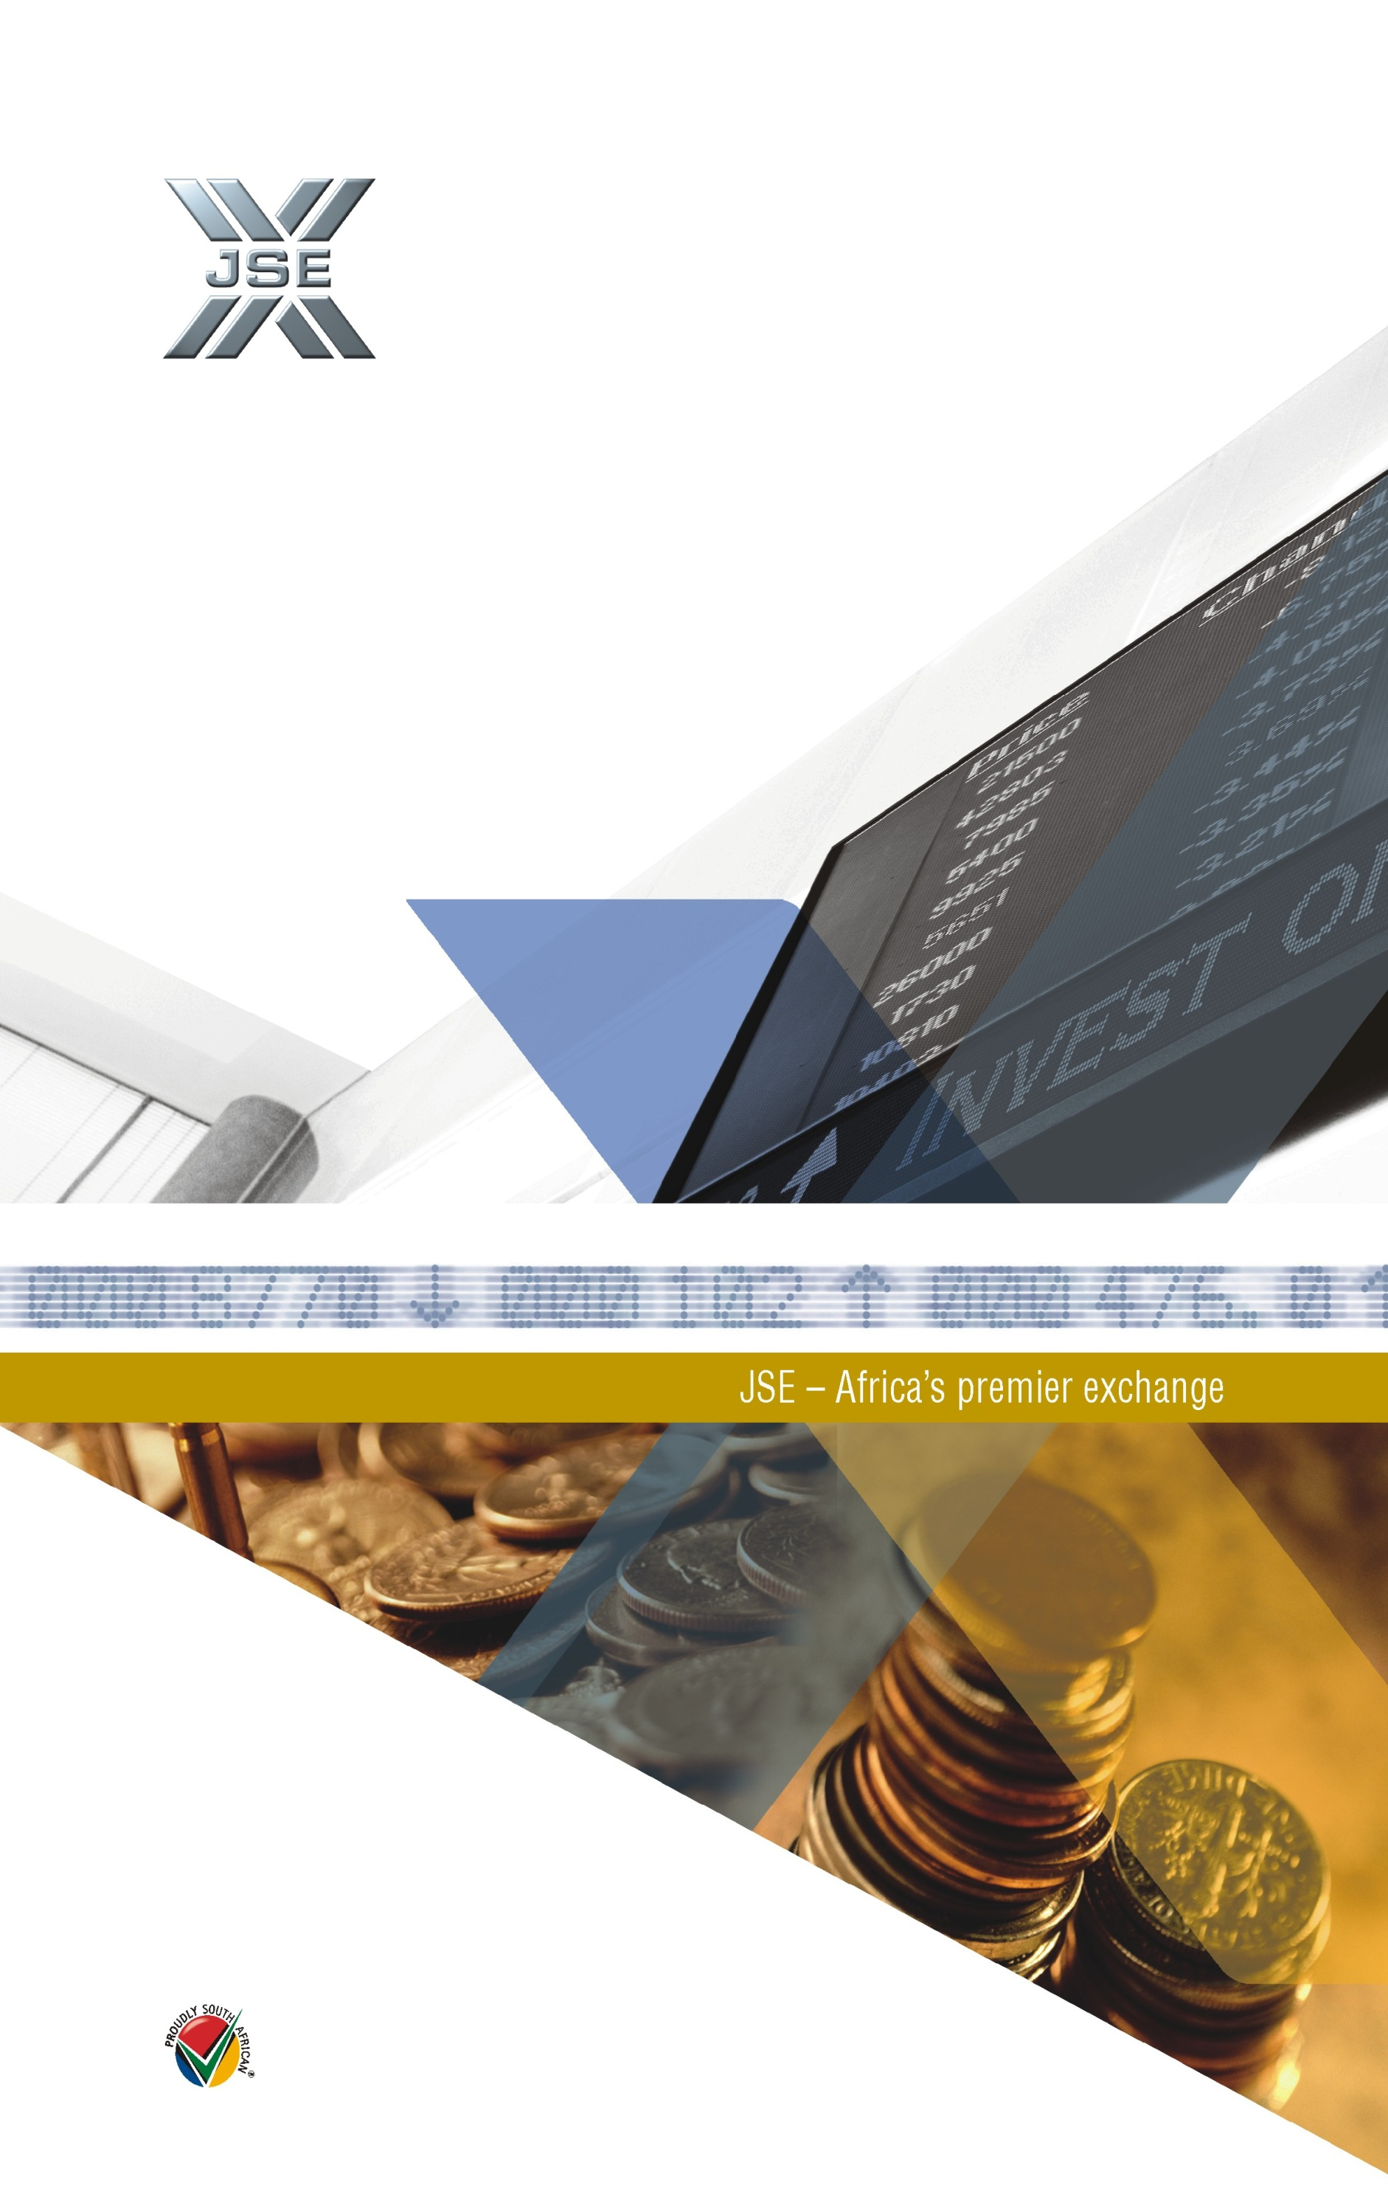
JSE PRICE LIST 2010

JSE LIMITED
MEMBERS
PRICE LIST
2008

JSE LIMITED
MEMBERS
PRICE LIST
2007

MEMBER SERVICES |  |  | Page 1

MEMBERSHIP FEES |  | ZAR Excluding VAT | ZAR Excluding VAT
Category A |  | R 33,290.00 | R 37,950.60
Category B |  | R 19,946.00 | R 22,738.44
Category C |  | R 15,958.00 | R 18,192.12
Category D |  | R 13,343.00 | R 15,211.02
Category E |  | R 12,656.00 | R 14,427.84

CONNECTIVITY FEE
PU or LU/Host to Host/FTP Connection - Physical or Logical unit
Applicable to Primary and Back-up Line only |  | R 390.50 | R 445.17
Additional Charge per Line |  | R 1,831.70 | R 2,088.14

BROKER DEALER ACCOUNTING (BDA)
Transactions Type (Charge per BDA Transaction)
Bonds |  | R 0.95 | R 1.08
Corrections |  | R 0.00 | R 0.00
Deals |  | R 0.70 | R 0.80
Electronic |  | R 0.70 | R 0.80
Financial |  | R 0.70 | R 0.80
Maintenance |  | R 0.70 | R 0.80
Money Market |  | R 1.49 | R 1.70
System Generated |  | R 0.00 | R 0.00
Disk Storage (Charge per BDA Transaction) Period of Online History
24 months |  | R 0.07 | R 0.08
BDA Data Storage for Report Production (Legal Requirement 5 yrs)
Storage per Page
Hardcopy |  | R 0.07 | R 0.08
ERD |  | R 0.07 | R 0.08
Remote |  | R 0.07 | R 0.08
XML |  | R 0.07 | R 0.08
BDA Fiche History (Scrip & Financial)
Master CD |  | R 572.60 | R 652.76
Copy CD |  | R 288.90 | R 329.35
Images (per 1000 Images - original cd) |  | R 39.40 | R 44.92
REPORT PRODUCTION
Charge per Page
ERD |  | R 0.33 | R 0.38
Remote |  | R 0.33 | R 0.38
Hardcopy |  | R 0.33 | R 0.38
XML |  | R 0.33 | R 0.38
BDA DISSEMINATION
Subscription (includes 15000 download records per day) |  | R 1,201.60 | R 1,369.82
Downloads (over 15 000 records - per record per day) |  | R 0.01 | R 0.01
Uploads (all uploaded records are charged for - per record per day) |  | R 0.01 | R 0.01 | R 0.07
 |  |  |  | 6.60%
STRATE AD VALOREM LEVY
Based on Contract Note Deal Value
Less than R 200 000.00 |  | R 10.92 | R 12.45
R 200 000.01, but less than R 1 million: 0.005459% |  | Variable | Variable
Greater than R1.0 million |  | R 54.59 | R 62.23

MEMBER SERVICES |  |  | Page 2

CLEARING AND SETTLEMENT |  | ZAR Excluding VAT | ZAR Including VAT
Equities
Percentage of value of each trade leg 0.0026% |  | Variable | Variable
Subject to Floor Limit
Each trade leg |  | R 2.47 | R 2.82 |  | R 2.47 | #DIV/0!
Subject to Ceiling Limit
Each trade leg |  | R 10.00 | R 11.40 |  | R 10.00 | #DIV/0!
Warrants
Percentage of value of each trade leg 0.0040% |  | Variable | Variable
Subject to Floor Limit
Each trade leg |  | R 1.23 | R 1.40 |  | R 1.23 | #DIV/0!
Subject to Ceiling Limit
Each trade leg |  | R 7.53 | R 8.58 |  | R 7.53 | #DIV/0!
ALTx
Percentage of value of each trade leg 0.0040% |  | Variable | Variable
Subject to Floor Limit
Each trade leg |  | R 1.23 | R 1.40
Subject to Ceiling Limit
Each trade leg |  | R 7.53 | R 8.58

INVESTOR PROTECTION LEVY
Percentage of value of leg 0.0002% |  | Variable | Variable

TRADING TRANSACTION LEGS
Equities
Buy Leg |  | R 6.86 | R 7.82
Sell Leg |  | R 6.86 | R 7.82
Warrants
Buy Leg |  | R 3.43 | R 3.91
Sell Leg |  | R 3.43 | R 3.91
ALTx
Buy Leg |  | R 4.56 | R 5.20
Sell Leg |  | R 4.56 | R 5.20

SUBSCRIPTION SERVICES
BDA Custody and Settlement Membership |  | R 4,040.70 | R 4,606.40
BDA - Upload (Batch / Realtime) |  | R 1,320.55 | R 1,505.43
Bonds |  | R 1,384.95 | R 1,578.84
Electronic Payments |  | R 1,384.95 | R 1,578.84
Money Market - Online |  | R 1,440.65 | R 1,642.34
Money Market - Upload |  | R 690.00 | R 786.60
Portfolio |  | R 330.10 | R 376.31

SWIFT SERVICE
Subscription Fee - Monthly |  | R 700.00 | R 798.00
Charge per chargeable unit |  | R 1.12 | R 1.28

JSE TradElect API excluding Terminal Fees
Service Fee |  | R 7,267.00 | R 8,284.38

TALX FEES |  |  | Page 3

JSE BASED SERVER WITH TALX ASP OPTION | ZAR Excluding VAT | ZAR Including VAT | USD VAT not Applicable
Trader Workstation (Including Equities and Indices Terminal Fees no COMMS required) 1- 20 | R 3,000.00 | R 3,420.00 | N/A
Trader Workstation (Including Equities and Indices Terminal Fees no COMMS required) 21- 40 | R 2,800.00 | R 3,192.00 | N/A
Trader Workstation (Including Equities and Indices Terminal Fees no COMMS required) 40+ | R 2,700.00 | R 3,078.00 | N/A
Disaster Recovery Trader Workstations (Members only) | R 700.00 | R 775.20 | N/A
SERVER INHOUSE WITH TALX
SLE/SLC Server (first, including TradElect API) (COMMS included) | R 6,479.00 | R 7,386.06 | N/A
SLE/SLC Server (additional/mirror, COMMS included) | R 6,270.00 | R 7,147.80 | N/A
SLE/SLC Server (disaster recovery/test) | R 2,717.00 | R 3,097.38 | N/A
SLE/SLC Server (maintenance) | N/A | N/A | N/A
* INSTITUTIONAL FRONT ENDS (Institutional - TALX) Including Equities and Indices Terminal Fees
Per Workstation | R 2,100.00 | R 2,280.00 | N/A
3 - 5 (per workstation) | N/A | N/A | N/A
over 6 (per workstation) | N/A | N/A | N/A
* INVESTOR WORKSTATION (Investor - TALX)
View only Terminals (including Equities and Indices Terminal Fees) | R 2,100.00 | R 2,280.00 | N/A

TESTING SERVICES

CONFORMANCE TESTING
First 2 Test Slots | Free | N/A | N/A
Additional per Slot | R 15,279.00 | R 17,418.06 | $1,670.75
CUSTOMER DEVELOPMENT SERVICE (CDS)
Dedicated Access to CDS (per month) | R 13,496.50 | R 15,386.01 | $1,416.40
Weekly Slot | R 3,374.00 | R 3,846.36 | $254.10

OTHER SERVICES

BDA DISSEMINATION FOR INSTITUTIONS
Subscription (includes 15 000 Download Records per Day) | R 174.70 | R 199.16 | N/A
Downloads (over 15 000 Records per Record per Day) | R 0.01 | R 0.01 | N/A
BDA SOFTWARE LICENCE FOR NON MEMBERS (eg. Asset/Fund Managers)
Licence
Up to 5 Members | R 2,161.40 | R 2,464.00 | N/A
Up to 10 Members | R 4,088.10 | R 4,660.43 | N/A
up to 20 Members | R 5,922.25 | R 6,751.37 | N/A
21 and Above Members | R 7,668.55 | R 8,742.15 | N/A
SUBSCRIPTION SERVICE FOR NON MEMBERS
Subscription per BDA Members Service Provider (Non User) | R 693.75 | R 790.87 | N/A
MANAGED NETWORK FEES
Monthly Admin/Support Fee | R 210.00 | R 239.40 | N/A
STP SERVICES
Charge per Message (irrespective of protocol used) | R 0.33 | R 0.38 | N/A

Notes:
1. Please note that the use of a TALX Trader Workstation / Server Disaster recovery licence will be limited to those Member firms using the TALX Trader Workstations / Server as primary functionality. A maximum amount of disaster recovery licences that equals the number of primary workstations / serverlicences can be acquired. A disaster recovery licence may only be used in disaster recovery situations and must not be used at the same time as the primary licence. A Disaster Recovery workstation connected directly to the JSE server will be hot standby. A Disaster Recovery Workstation connected to a disaster recovery server at the client site will be cold standby and will require escalation to the JSE and connection to the trading engine in a disaster recovery situation.

2. The JSE does not offer a sliding scale for TALX Trader Workstations. Member firms requiring larger quantities of TALX Trader Workstation should contact the JSE to determine how to best structure their requirements.

3. All prices are Rand-based, subject to an annual price review process outlined in the respective agreement and exclude VAT and any public data site licence fees.

4. *EXTERNAL USERS - All prices are Rand-based, subject to an annual price review process outlined in the respective agreements and exclude VAT and any public data site licence fees.

INTEREST RATE PRODUCTS |  |  | Page 4

 | Description |  | Trading Fee
j-Bonds: 1) Report Only Trades | Spot bonds and carries |  | R0.30 per 1 million with a cap of R70.000 per month
j-Bonds: 2) Central Order Book Trades (Trades Guaranteed for settelement) | Spot bonds and carries |  | R2.28 per million with no cap
j-Futures | Futures on bonds and indices |  | R0.75 per 100 000
j-Options | Options on future contracts |  | R0.75 per 100 000
JIBAF: 1) Reprt Only Trades | 3-month Jibar Futures |  | R0.40 per R100,000
JIBAF: 2) Central Order Book Trades | 3-month Jibar Futures |  | R0.25 per R100,000

CURRENCY DERIVATIVES PRODUCTS

 | Description |  | Trading Fee per contract
j-Rand | Currency Derivatives
Currency Futures: | Currency Futures
Dollar/Rand; Euro/Rand; Sterling/Rand; Australian Dollar/Rand and Yen/Rand | 1 | to 1 000 | R 1.00
 | 1 001 | to 5 000 | R 0.90
 | 5 001 | to 7 500 | R 0.80
 | 7 501 | to 10 000 | R 0.70
 | 10 001 | to 15 000 | R 0.60
 | 15 001 | or more | R0.50 with a cap of R35,000 per deal

Currency Options: | Currency Options on futures
Dollar/Rand; Euro/Rand; Sterling/Rand and Australian Dollar/Rand and Yen/Rand |  |  | R0.50 with a cap of R35,000 per deal

JSE COMMODITY DERIVATIVES MEMBER SERVICES

FUTURES - per Contract |  | ZAR Excluding VAT | ZAR Including VAT
White and Yellow Maize (100 tons) |  | R 10.53 | R 12.00
Wheat (50 tons) |  | R 5.26 | R 6.00
Sunflower Seed (50 tons) |  | R 5.26 | R 6.00
Soya (25 tons) |  | R 2.63 | R 3.00
Delivery Fee per Ton |  | R 1.75 | R 2.00
Chicago Corn (100 tons) |  | R 13.16 | R 15.00
Comex Gold (10 ounces) |  | R 13.16 | R 15.00
Nymex Crude Oil (100 barrels) |  | R 8.77 | R 10.00
Nymex Platinum (10 ounces) |  | R 14.91 | R 17.00

OPTIONS - per Contract
White and Yellow Maize (100 tons) |  | R 5.26 | R 6.00
Wheat (50 tons) |  | R 2.63 | R 3.00
Sunflower Seed (50 tons) |  | R 2.63 | R 3.00
Soya (25 tons) |  | R 1.32 | R 1.50
Chicago Corn (100 tons) |  | R 13.16 | R 15.00

ADDITIONAL SERVICES |  |  | Page 5

 | ZAR Excluding VAT | ZAR Including VAT | USD VAT not Applicable
General Market Information - Pricing (based on time of report creation - minutes)
Supply Market Information - ad hoc statistic requests 1 - 5 | R 105.70 | R 120.50 | N/A
Supply Market Information - ad hoc statistic requests 6 - 10 | R 141.55 | R 161.37 | N/A
Supply Market Information - ad hoc statistic requests 11 - 15 | R 150.80 | R 171.91 | N/A
Supply Market Information - ad hoc statistic requests 16 - 20 | R 165.90 | R 189.13 | N/A
Supply Market Information - ad hoc statistic requests 21 - 25 | R 183.00 | R 208.62 | N/A

JSE MONTHLY BULLETIN SUBSCRIPTION | ZAR Excluding VAT | ZAR Including VAT | USD VAT not Applicable
Annual subscription including mailing costs
South Africa | R 815.15 | R 929.27 | N/A
Namibia | R 929.25 | N/A | N/A
Rest of Africa | R 1,162.35 | N/A | N/A
Rest of the World |  |  | $324.00
Single Copy
South Africa | R 65.10 | R 74.21 | N/A
Namibia | R 74.20 | N/A | N/A
Rest of Africa | R 93.00 | N/A | N/A
Rest of the World |  |  | $25.50
December Issue with Historical Record
South Africa | R 98.85 | R 112.68 | N/A
Namibia | R 112.65 | N/A | N/A
Rest of Africa | R 139.30 | N/A | N/A
Rest of the World |  |  | $38.75

